Sheet1
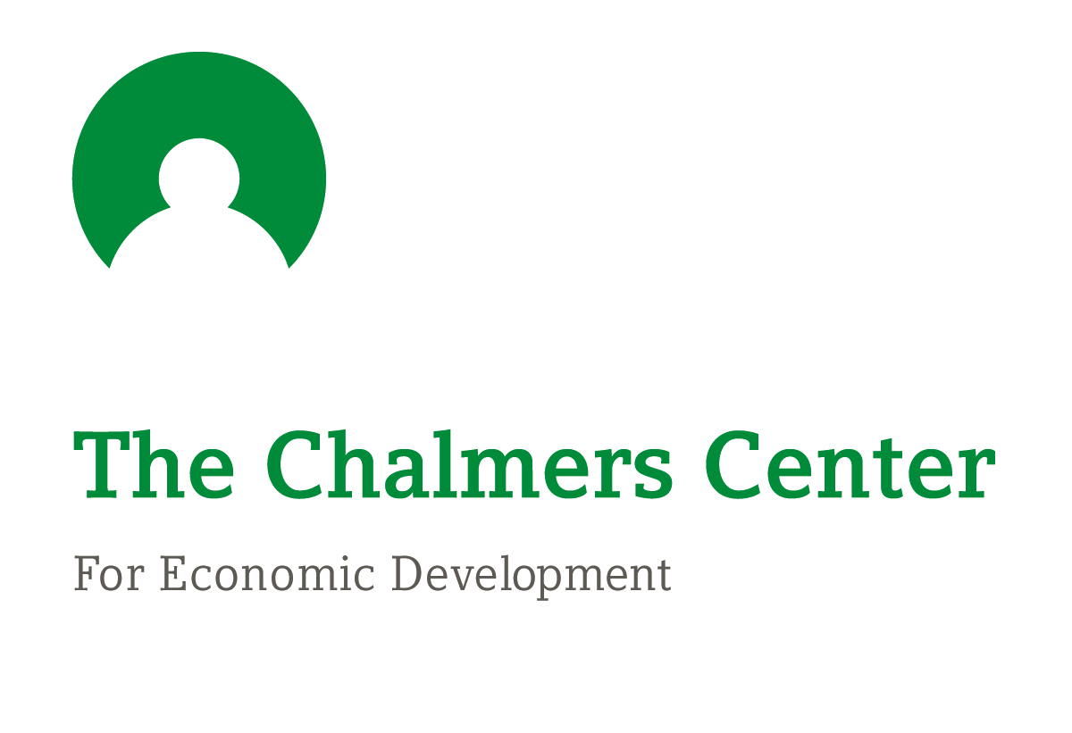
Matched Savings Program Operating Expenses (Example)
Expenses |  | Year 1 | Year 2 | Year 3 | 3-Year Total
Human Resources | Part-time staff salary/stipend* | 10,000 | 5,000 | 5,000 | 20,000
 | ADDC training & data mgmt | 350 | 120 | 120 | 590
Technology | Internet | 300 | 300 | 300 | 900
 | Printer | 200 | 0 | 0 | 200
 | Ink | 50 | 50 | 50 | 150
Curriculum | Facilitator guides* | 0 | 50 | 0 | 50
 | Participant materials* | 0 | 75 | 0 | 75
Supplies | Paper | 20 | 20 | 20 | 60
 | Envelopes | 10 | 10 | 10 | 30
 | Postage | 30 | 30 | 30 | 90
 | Teaching materials | 75 | 50 | 50 | 175
Other | Refreshments | 100 | 100 | 100 | 300
 | Coffee | 50 | 50 | 50 | 150
 | Childcare | 300 | 300 | 300 | 900
 | Misc | 25 | 25 | 25 | 75
Required Match Funds | (Based on 4 sample participants) | 5,082 | 2178 | 0 | 7,260
Total w/o Staffing |  | 6,592 | 3,358 | 1,055 | 11,005
Total w/ Staffing |  | 16,592 | 6,180 | 6,055 | 28,827

 | *Indicates optional item

